Application Screen
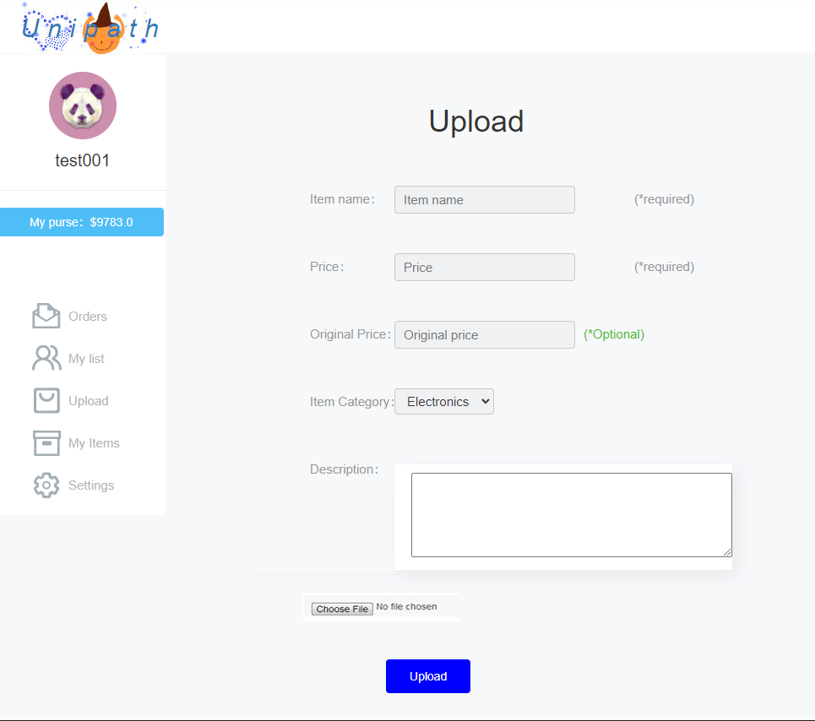

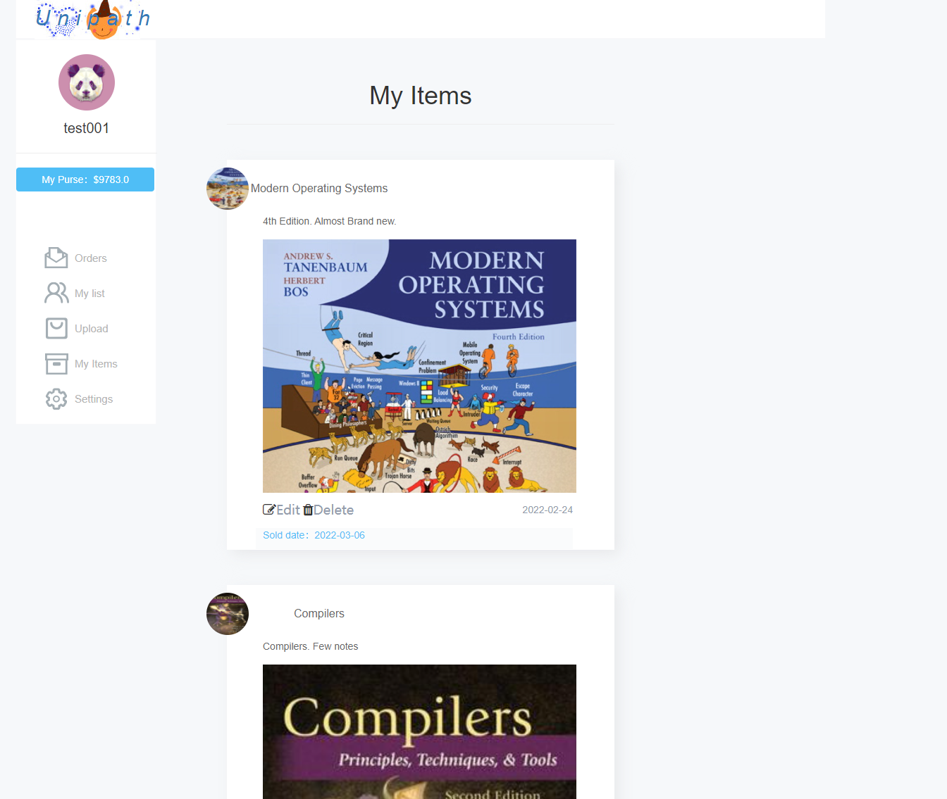

Test Case 1
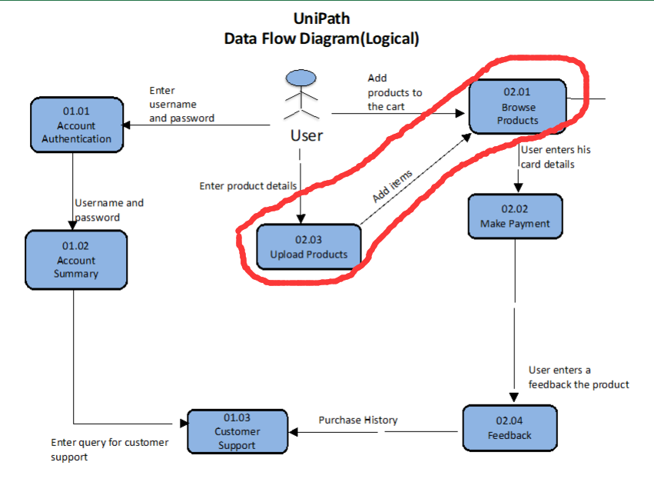
TC Title: | TC1. Upload Products - Data Flow Out

TC Objective: | Data Flow Out tests the output of data after upload a new product.Check if the server sent the correct data to the user.

TC Description
 | Step | Step Description | Expected Results
 | 1 | Log in to the system with an authorized user | Successfully logged in to the system
 | 2 | Enter the Buy/Sell module | Successfully entered the Buy/Sell module
 | 3 | Click my profile in the upper right corner | Successfully entered my profile page
 | 4 | Check whether the authorized user can see the newly uploaded product. | After uploading a new product, authorized users can see the newly uploaded product in the My items list.
 | 5 | Log in to the system with an other user | Successfully logged in to the system
 | 6 | Enter the Buy/Sell module | Successfully entered the Buy/Sell module
 | 7 | Check if other users can see the new item uploaded in the My item list | Other users can not see the newly uploaded product in the My items list.
 | The circled part shows the data output
 | Note: Browsw Products will authenticate the user's permissions. Different results will be displayed depending on the user's permissions

